Charts
Total Declarations | Anonymous Declarations | Local Declarations | Nested Declarations | Total References | Local References | Nested References | All Other References |  |  |  |  |  | Snall | 90 |  | Assignment | Total Declarations | Anonymous Declarations | Anonymous Declarations Percentage | Local Declarations Percentage | Nested Declarations Percentage
173751 | 29085 | 892 | 35672 | 6454522 | 5297 | 79060 | 6370165 |  |  |  |  |  |  |  |  |  | 7 | 2 | 29 | 0 | 0
 |  |  |  |  |  |  |  |  |  |  |  |  |  |  |  |  | 12 | 2 | 17 | 0 | 8
 |  |  |  |  |  |  |  |  |  |  |  |  |  |  |  |  | 18 | 1 | 6 | 0 | 17
Summary of Types | Nested Declarations | Local Declarations | Anonymous Declarations | All Other Declarations | Total Declarations |  |  | Summary of Types | Local References | Nested References | All Other References | Total References |  |  |  |  | 18 | 8 | 44 | 0 | 6
Values | 35672 | 892 | 29085 | 108102 | 173751 |  |  | Values | 5297 | 79060 | 6370165 | 6454522 |  |  |  | Small | 21 | 3 | 14 | 0 | 0
Percentage | 20.53 | 0.51 | 16.74 | 62.22 | 100 |  |  | Percentage | 0.08 | 1.22 | 98.69 | 100 |  |  |  |  | 24 | 9 | 38 | 0 | 25
 |  |  |  |  |  |  |  |  |  |  |  |  |  |  |  |  | 24 | 2 | 8 | 0 | 8
 |  |  |  |  |  |  |  |  |  |  |  |  |  |  |  |  | 27 | 8 | 30 | 0 | 19
Declarations Across 100 Java Systems
 |  |  |  |  |  |  |  |  |  |  |  |  |  |  |  |  | 29 | 10 | 34 | 0 | 3
Declaration of Types By Percentage Across 100 Java Systems
 |  |  |  |  |  |  |  |  |  |  |  |  |  |  |  |  | 31 | 16 | 52 | 0 | 10
 |  |  |  |  |  |  |  |  |  |  |  |  |  |  |  | Small | 32 | 18 | 56 | 0 | 13
 |  |  |  |  |  |  |  |  |  |  |  |  |  |  |  | Small | 37 | 0 | 0 | 0 | 3
 |  |  |  |  |  |  |  |  |  |  |  |  |  |  |  |  | 41 | 9 | 22 | 0 | 0
 |  |  |  |  |  |  |  |  |  |  |  |  |  |  |  |  | 44 | 23 | 52 | 0 | 7
 |  |  |  |  |  |  |  |  |  |  |  |  |  |  |  | Small | 53 | 8 | 15 | 0 | 4
 |  |  |  |  |  |  |  |  |  |  |  |  |  |  |  | Small | 69 | 13 | 19 | 0 | 17
 |  |  |  |  |  |  |  |  |  |  |  |  |  |  |  |  | 72 | 1 | 1 | 0 | 4
 |  |  |  |  |  |  |  |  |  |  |  |  |  |  |  |  | 73 | 4 | 5 | 0 | 22
 |  |  |  |  |  |  |  |  |  |  |  |  |  |  |  |  | 75 | 10 | 13 | 0 | 0
 |  |  |  |  |  |  |  |  |  |  |  |  |  |  |  |  | 75 | 22 | 29 | 0 | 9
 |  |  |  |  |  |  |  |  |  |  |  |  |  |  |  | Small | 78 | 27 | 35 | 0 | 19
 |  |  |  |  |  |  |  |  |  |  |  |  |  |  |  |  | 82 | 36 | 44 | 0 | 0
 |  |  |  |  |  |  |  |  |  |  |  |  |  |  |  | Small | 83 | 25 | 30 | 0 | 6
 |  |  |  |  |  |  |  |  |  |  |  |  |  |  |  | Small | 87 | 6 | 7 | 0 | 7
 |  |  |  |  |  |  |  |  |  |  |  |  |  |  |  | Small | 87 | 10 | 11 | 0 | 36
 |  |  |  |  |  |  |  |  |  |  |  |  |  |  |  | Small | 89 | 32 | 36 | 0 | 20
 |  |  |  |  |  |  |  |  |  |  |  |  |  |  |  | Small | 90 | 16 | 18 | 0 | 20
 |  |  |  |  |  |  |  |  |  |  |  |  |  |  |  | Small | 90 | 11 | 12 | 0 | 34
 |  |  |  |  |  |  |  |  |  |  |  |  |  |  |  | Small | 95 | 17 | 18 | 0 | 12
 |  |  |  |  |  |  |  |  |  |  |  |  |  |  |  | Small | 114 | 21 | 18 | 0 | 17
 |  |  |  |  |  |  |  |  |  |  |  |  |  |  |  |  | 131 | 14 | 11 | 0 | 10
 |  |  |  |  |  |  |  |  |  |  |  |  |  |  |  |  | 144 | 102 | 71 | 0 | 2
References By Type Across 100 Java Systems
 |  |  |  |  |  |  |  |  |  |  |  |  |  |  |  |  | 149 | 73 | 49 | 0 | 9
 |  |  |  |  |  |  |  |  |  |  |  |  |  |  |  |  | 160 | 0 | 0 | 0 | 9
 |  |  |  |  |  |  |  |  |  |  |  |  |  |  |  |  | 161 | 19 | 12 | 0 | 6
 |  |  |  |  |  |  |  |  |  |  |  |  |  |  |  |  | 168 | 2 | 1 | 0 | 9
 |  |  |  |  |  |  |  |  |  |  |  |  |  |  |  |  | 170 | 54 | 32 | 0 | 18
 |  |  |  |  |  |  |  |  |  |  |  |  |  |  |  |  | 212 | 49 | 23 | 0 | 11
 |  |  |  |  |  |  |  |  |  |  |  |  |  |  |  |  | 232 | 51 | 22 | 0.4 | 3
 |  |  |  |  |  |  |  |  |  |  |  |  |  |  |  |  | 234 | 35 | 15 | 0 | 20
 |  |  |  |  |  |  |  |  |  |  |  |  |  |  |  |  | 240 | 38 | 16 | 0 | 60
 |  |  |  |  |  |  |  |  |  |  |  |  |  |  |  |  | 277 | 152 | 55 | 1.1 | 7
 |  |  |  |  |  |  |  |  |  |  |  |  |  |  |  |  | 286 | 9 | 3 | 0 | 7
 |  |  |  |  |  |  |  |  |  |  |  |  |  |  |  | Small | 293 | 82 | 28 | 0.3 | 41
 |  |  |  |  |  |  |  |  |  |  |  |  |  |  |  |  | 306 | 110 | 36 | 0 | 27
 |  |  |  |  |  |  |  |  |  |  |  |  |  |  |  |  | 309 | 43 | 14 | 0 | 9
 |  |  |  |  |  |  |  |  |  |  |  |  |  |  |  |  | 315 | 6 | 2 | 0 | 12
 |  |  |  |  |  |  |  |  |  |  |  |  |  |  |  |  | 340 | 14 | 4 | 0 | 24
 |  |  |  |  |  |  |  |  |  |  |  |  |  |  |  |  | 341 | 7 | 2 | 0 | 0
 |  |  |  |  |  |  |  |  |  |  |  |  |  |  |  |  | 401 | 52 | 13 | 0 | 23
 |  |  |  |  |  |  |  |  |  |  |  |  |  |  |  |  | 405 | 122 | 30 | 0 | 14
 |  |  |  |  |  |  |  |  |  |  |  |  |  |  |  |  | 415 | 12 | 3 | 0 | 22
 |  |  |  |  |  |  |  |  |  |  |  |  |  |  |  |  | 455 | 18 | 4 | 34.5 | 32
 |  |  |  |  |  |  |  |  |  |  |  |  |  |  |  |  | 529 | 222 | 42 | 0 | 21
 |  |  |  |  |  |  |  |  |  |  |  |  |  |  |  |  | 545 | 55 | 10 | 0 | 18
 |  |  |  |  |  |  |  |  |  |  |  |  |  |  |  |  | 567 | 40 | 7 | 0 | 5
 |  |  |  |  |  |  |  |  |  |  |  |  |  |  |  |  | 598 | 413 | 69 | 0.5 | 1
 |  |  |  |  |  |  |  |  |  |  |  |  |  |  |  |  | 645 | 187 | 29 | 0 | 10
 |  |  |  |  |  |  |  |  |  |  |  |  |  |  |  |  | 707 | 191 | 27 | 0 | 19
 |  |  |  |  |  |  |  |  |  |  |  |  |  |  |  |  | 744 | 305 | 41 | 0.3 | 18
 |  |  |  |  |  |  |  |  |  |  |  |  |  |  |  | Small | 753 | 158 | 21 | 0.1 | 13
 |  |  |  |  |  |  |  |  |  |  |  |  |  |  |  |  | 776 | 109 | 14 | 0 | 11
 |  |  |  |  |  |  |  |  |  |  |  |  |  |  |  |  | 786 | 79 | 10 | 0 | 13
 |  |  |  |  |  |  |  |  |  |  |  |  |  |  |  | Small | 791 | 40 | 5 | 0 | 3
 |  |  |  |  |  |  |  |  |  |  |  |  |  |  |  |  | 823 | 230 | 28 | 0.1 | 5
 |  |  |  |  |  |  |  |  |  |  |  |  |  |  |  |  | 825 | 223 | 27 | 0.1 | 13
 |  |  |  |  |  |  |  |  |  |  |  |  |  |  |  |  | 873 | 35 | 4 | 0 | 7
 |  |  |  |  |  |  |  |  |  |  |  |  |  |  |  |  | 896 | 108 | 12 | 0 | 15
 |  |  |  |  |  |  |  |  |  |  |  |  |  |  |  |  | 912 | 182 | 20 | 0.3 | 30
 |  |  |  |  |  |  |  |  |  |  |  |  |  |  |  | Small | 1030 | 319 | 31 | 0.1 | 24
 |  |  |  |  |  |  |  |  |  |  |  |  |  |  |  | Small | 1104 | 221 | 20 | 0 | 2
 |  |  |  |  |  |  |  |  |  |  |  |  |  |  |  | Small | 1138 | 34 | 3 | 0.1 | 5
 |  |  |  |  |  |  |  |  |  |  |  |  |  |  |  |  | 1279 | 115 | 9 | 0.1 | 21
Nested Declarations vs. Anonymous Declarations as Percentage of Total Declarations
 |  |  |  |  |  |  |  |  |  |  |  |  |  |  |  |  | 1280 | 845 | 66 | 0 | 10
 |  |  |  |  |  |  |  |  |  |  |  |  |  |  |  |  | 1347 | 216 | 16 | 0 | 29
 |  |  |  |  |  |  |  |  |  |  |  |  |  |  |  |  | 1442 | 72 | 5 | 1.5 | 36
 |  |  |  |  |  |  |  |  |  |  |  |  |  |  |  |  | 1478 | 192 | 13 | 0.1 | 54
 |  |  |  |  |  |  |  |  |  |  |  |  |  |  |  | Small | 1678 | 185 | 11 | 0.1 | 36
 |  |  |  |  |  |  |  |  |  |  |  |  |  |  |  |  | 1678 | 218 | 13 | 1.9 | 36
 |  |  |  |  |  |  |  |  |  |  |  |  |  |  |  | Small | 1768 | 796 | 45 | 0 | 7
Anonymous Declarations Percentage vs. Total Declarations
 |  |  |  |  |  |  |  |  |  |  |  |  |  |  |  |  | 1822 | 1002 | 55 | 0 | 8
 |  |  |  |  |  |  |  |  |  |  |  |  |  |  |  |  | 1992 | 717 | 36 | 0 | 5
 |  |  |  |  |  |  |  |  |  |  |  |  |  |  |  |  | 2213 | 133 | 6 | 0 | 4
 |  |  |  |  |  |  |  |  |  |  |  |  |  |  |  |  | 2218 | 621 | 28 | 0 | 13
 |  |  |  |  |  |  |  |  |  |  |  |  |  |  |  |  | 2951 | 59 | 2 | 0 | 10
 |  |  |  |  |  |  |  |  |  |  |  |  |  |  |  |  | 3148 | 378 | 12 | 0 | 30
 |  |  |  |  |  |  |  |  |  |  |  |  |  |  |  |  | 3246 | 422 | 13 | 0.8 | 33
 |  |  |  |  |  |  |  |  |  |  |  |  |  |  |  |  | 3538 | 142 | 4 | 0 | 19
 |  |  |  |  |  |  |  |  |  |  |  |  |  |  |  |  | 3748 | 825 | 22 | 0.4 | 23
 |  |  |  |  |  |  |  |  |  |  |  |  |  |  |  |  | 5564 | 668 | 12 | 0.1 | 14
 |  |  |  |  |  |  |  |  |  |  |  |  |  |  |  | Small | 6907 | 1450 | 21 | 1.3 | 27
 |  |  |  |  |  |  |  |  |  |  |  |  |  |  |  | Small | 6999 | 2100 | 30 | 0.1 | 10
 |  |  |  |  |  |  |  |  |  |  |  |  |  |  |  | Small | 7112 | 213 | 3 | 0 | 41
 |  |  |  |  |  |  |  |  |  |  |  |  |  |  |  | Small | 8902 | 1157 | 13 | 0.2 | 27
 |  |  |  |  |  |  |  |  |  |  |  |  |  |  |  |  | 9121 | 1186 | 13 | 1.5 | 9
 |  |  |  |  |  |  |  |  |  |  |  |  |  |  |  |  | 11523 | 1728 | 15 | 0.1 | 20
 |  |  |  |  |  |  |  |  |  |  |  |  |  |  |  |  | 12533 | 5139 | 41 | 1.4 | 30
 |  |  |  |  |  |  |  |  |  |  |  |  |  |  |  |  | 13324 | 1332 | 10 | 1 | 37
 |  |  |  |  |  |  |  |  |  |  |  |  |  |  |  |  | 13500 | 1080 | 8 | 0.3 | 21
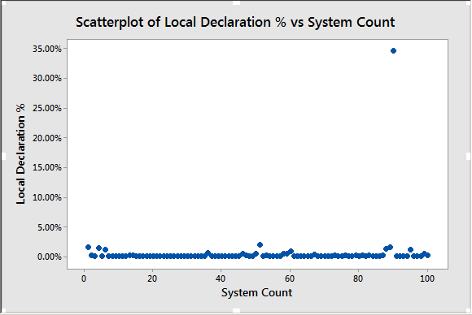
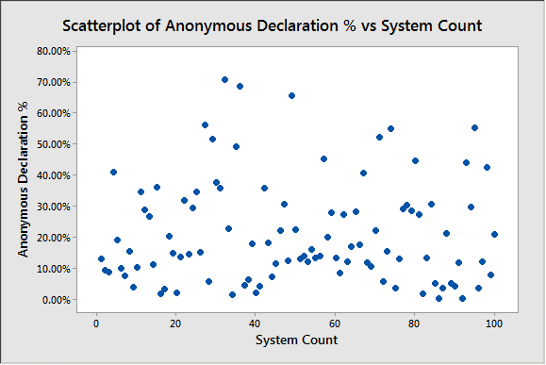
 |  |  |  |  |  |  |  |  |  |  |  |  |  |  | 0.6753250837
 |  |  |  |  |  |  |  |  |  |  |  |  |  |  | 0.6678720662

 |  |  |  |  |  |  |  |  |  |  |  |  |  |  | 0.7745866464

 |  |  |  |  |  |  |  |  |  |  |  |  |  |  | -0.1108488591

 |  |  |  |  |  |  |  |  |  |  |  |  |  |  | -0.1937618328

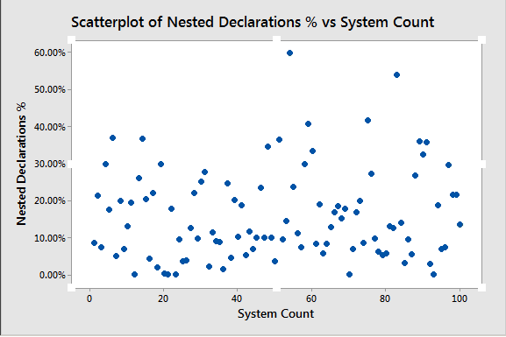
 |  |  |  |  |  |  |  |  |  |  |  |  |  |  |  |  | Total Declarations | Nested Declarations Percentage | Anonymous Declarations Percentage
 |  |  |  |  |  |  |  |  |  |  |  |  |  |  |  |  | 1030 | 24 | 31
 |  |  |  |  |  |  |  |  |  |  |  |  |  |  |  |  | 1104 | 2 | 20
 |  |  |  |  |  |  |  |  |  |  |  |  |  |  |  |  | 1138 | 5 | 3
 |  |  |  |  |  |  |  |  |  |  |  |  |  |  |  |  | 1279 | 21 | 9
 |  |  |  |  |  |  |  |  |  |  |  |  |  |  |  |  | 1280 | 10 | 66
 |  |  |  |  |  |  |  |  |  |  |  |  |  |  |  |  | 1347 | 29 | 16
 |  |  |  |  |  |  |  |  |  |  |  |  |  |  |  |  | 1442 | 36 | 5
 |  |  |  |  |  |  |  |  |  |  |  |  |  |  |  |  | 1478 | 54 | 13
 |  |  |  |  |  |  |  |  |  |  |  |  |  |  |  |  | 1678 | 36 | 11
 |  |  |  |  |  |  |  |  |  |  |  |  |  |  |  |  | 1678 | 36 | 13
 |  |  |  |  |  |  |  |  |  |  |  |  |  |  |  |  | 1768 | 7 | 45
 |  |  |  |  |  |  |  |  |  |  |  |  |  |  |  |  | 1822 | 8 | 55
 |  |  |  |  |  |  |  |  |  |  |  |  |  |  |  |  | 1992 | 5 | 36
 |  |  |  |  |  |  |  |  |  |  |  |  |  |  |  |  | 2213 | 4 | 6
 |  |  |  |  |  |  |  |  |  |  |  |  |  |  |  |  | 2218 | 13 | 28
 |  |  |  |  |  |  |  |  |  |  |  |  |  |  |  |  | 2951 | 10 | 2
 |  |  |  |  |  |  |  |  |  |  |  |  |  |  |  |  | 3148 | 30 | 12
 |  |  |  |  |  |  |  |  |  |  |  |  |  |  |  |  | 3246 | 33 | 13
 |  |  |  |  |  |  |  |  |  |  |  |  |  |  |  |  | 3538 | 19 | 4
 |  |  |  |  |  |  |  |  |  |  |  |  |  |  |  |  | 3748 | 23 | 22
 |  |  |  |  |  |  |  |  |  |  |  |  |  |  |  |  | 5564 | 14 | 12
Systems Under 1000 Declarations, Nested/Anonymous Percentage vs Size
Systems over 1000 Declarations, Nested/Anonymous Percentage vs Size
 |  |  |  |  |  |  |  |  |  |  |  |  |  |  |  |  | 6907 | 27 | 21
 |  |  |  |  |  |  |  |  |  |  |  |  |  |  |  |  | 6999 | 10 | 30
 |  |  |  |  |  |  |  |  |  |  |  |  |  |  |  |  | 7112 | 41 | 3
 |  |  |  |  |  |  |  |  |  |  |  |  |  |  |  |  | 8902 | 27 | 13
 |  |  |  |  |  |  |  |  |  |  |  |  |  |  |  |  | 9121 | 9 | 13
 |  |  |  |  |  |  |  |  |  |  |  |  |  |  |  |  | 11523 | 20 | 15
 |  |  |  |  |  |  |  |  |  |  |  |  |  |  |  |  | 12533 | 30 | 41
 |  |  |  |  |  |  |  |  |  |  |  |  |  |  |  |  | 13324 | 37 | 10
 |  |  |  |  |  |  |  |  |  |  |  |  |  |  |  |  | 13500 | 21 | 8

